Sheet1
Of entire population |  |  | 40949 total videos
This set describes trending USA Youtube Videos. 40949 Total. It also pulls information from the accounts that have uploaded them.
The codebook also describes another population of YouTube creators, a set of
Category

1 | Film & Animation |  | 1 | 2345 | 5.73% | 5.73%
2 | Autos & Vehicles |  | 2 | 384 | 0.94% | 0.94%
10 | Music |  | 10 | 6472 | 15.81% | 15.81%
15 | Pets & Animals |  | 15 | 920 | 2.25% | 2.25%
17 | Sports |  | 17 | 2174 | 5.31% | 5.31%
19 | Travel & Events |  | 19 | 402 | 0.98% | 0.98%
20 | Gaming |  | 20 | 817 | 2.00% | 2.00%
22 | People & Blogs |  | 22 | 3210 | 7.84% | 7.84%
23 | Comedy |  | 23 | 3457 | 8.44% | 8.44%
24 | Entertainment |  | 24 | 9964 | 24.33% | 24.33%
25 | News & Politics |  | 25 | 2487 | 6.07% | 6.07%
26 | Howto & Style |  | 26 | 4146 | 10.12% | 10.12%
27 | Education |  | 27 | 1656 | 4.04% | 4.04%
28 | Science & Technology |  | 28 | 2401 | 5.86% | 5.86%
29 | Nonprofits & Activism |  | 29 | 57 | 0.14% | 0.14%
43 | Shows |  | 43 | 57 | 0.14% | 0.14%
 | Total |  |  | 40949

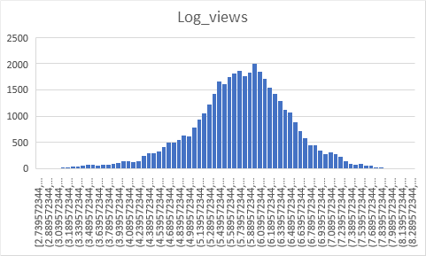
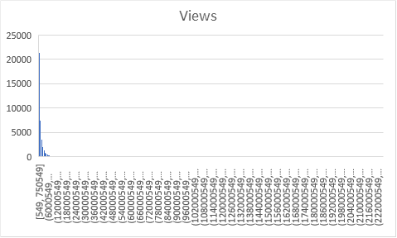
Views
range [549 to 225,211,923]

 | Below 50,000 |  |  | 3093 | 7.55% | 7.55%
 | 50,000 to 99,999 |  |  | 2237 | 5.46% | 5.46%
 | 100,000 to 499,999 |  |  | 11841 | 28.92% | 28.92%
 | 500,000 to 999,999 |  |  | 7437 | 18.16% | 18.16%
 | 1,000,000 to 2,999,999 |  |  | 9882 | 24.13% | 24.13%
 | 3,000,000 to 9,999,999 |  |  | 4611 | 11.26% | 11.26%
 | 10,000,000 and above |  |  | 1848 | 4.51% | 4.51%
 |  |  |  | 40949
 | mean | 2360785
 | stdev | 7394114

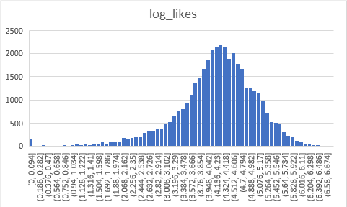
Video likes
range [0 to 5,613,827]

 | Below 500 |  |  | 2501 | 6.11% | 6.11%
 | 500 to 3,499 |  |  | 5148 | 12.57% | 12.57%
 | 3500 to 8,999 |  |  | 6092 | 14.88% | 14.88%
 | 9,000 to 29,999 |  |  | 11480 | 28.03% | 28.03%
 | 30,000 to 99,999 |  |  | 8973 | 21.91% | 21.91%
 | 100,000 and above |  |  | 6586 | 16.08% | 16.08%
 | Ratings Disabled |  |  | 169 | 0.41% | 0.41%
 |  |  |  | 40949
 | mean | 74267
 | stdev | 228885

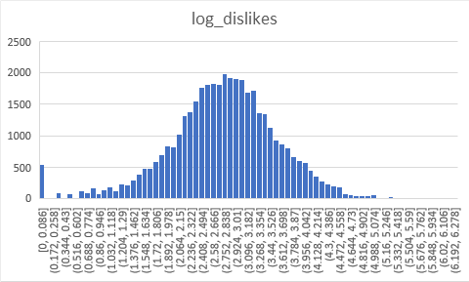
Video dislikes
range [0 to 16,74,420]

 | Below 10 |  |  | 1113 | 2.72% | 2.72%
 | 10 to 99 |  |  | 4791 | 11.70% | 11.70%
 | 100 to 999 |  |  | 18795 | 45.90% | 45.90%
 | 1,000 to 4,999 |  |  | 11209 | 27.37% | 27.37%
 | 5,000 to 19,999 |  |  | 3749 | 9.16% | 9.16%
 | 20,000 and above |  |  | 1123 | 2.74% | 2.74%
 | Ratings Disabled |  |  | 169 | 0.41% | 0.41%
 |  |  |  | 40949
 | mean | 3711
 | stdev | 29029

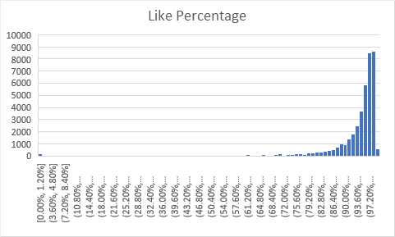
Like Percentage
Likes / (Total Ratings)
range [0% to 100%]

 | Below 70% |  |  | 1577 | 3.85% | 3.85%
 | 70% to less than 85% |  |  | 2478 | 6.05% | 6.05%
 | 85% to less than 90% |  |  | 2791 | 6.82% | 6.82%
 | 90% to less than 97.5% |  |  | 17958 | 43.85% | 43.85%
 | 97.5% to less than 99% |  |  | 11809 | 28.84% | 28.84%
 | 99% and above |  |  | 4166 | 10.17% | 10.17%
 | 0 Total Ratings |  |  | 170 | 0.42% | 0.42%
 |  |  |  | 40949

Comments
range [0 to 1,361,580]

 | Min | 0
 | 1st Q | 614
 | Median | 1856
 | Mean | 8447
 | 3rd Q | 5755
 | Max | 1361580
 | Stdev | 37430

Channel Information of trending videos
 | Explores information on statistics of each uploader

 | Followers |  |  |  | Number of total videos of the creator
 | Min | 14972 |  |  | Min | 3
 | 1st Q | 991771 |  |  | 1st Q | 166
 | Median | 2697026 |  |  | Median | 633
 | Mean | 5005058 |  |  | Mean | 4182
 | 3rd Q | 6540519 |  |  | 3rd Q | 2382
 | Max | 69896406 |  |  | Max | 273890
 | No Data | 4199 |  |  | No Data | 4199

 |  |  |  |  | Example: JoeS uploads a trending video, he has uploaded 100 total videos.

 | Current Age of Account (years) |  |  |  | Country of origin
 | Min | 2.6 |  |  | United States | 16160
 | 1st Q | 7.39 |  |  | Great-Britain | 1724
 | Median | 10.4 |  |  | Canada | 1058
 | Mean | 10.73 |  |  | Australia | 359
 | 3rd Q | 13.978 |  |  | Korea, Republic of | 169
 | Max | 15.51 |  |  | Germany | 163
 | No Data | 4199 |  |  | Nederland | 163
 |  |  |  |  | Other | 957
 |  |  |  |  | No Data | 20753

Population of YouTube Creators
 | Explores separate dataset of YouTube creators, most of which have not gone trending in US. 104753 total.

 | Followers |  |  |  | Number of total videos of the creator
 | Min | 14753 |  |  | Min | 1
 | 1st Q | 26076 |  |  | 1st Q | 72
 | Median | 54620 |  |  | Median | 185
 | Mean | 258320 |  |  | Mean | 833
 | 3rd Q | 158511 |  |  | 3rd Q | 473
 | Max | 69896406 |  |  | Max | 434936

 | Current Age of Account (years) |  |  |  | Country of origin
 | Min | 2.17 |  |  | United States | 31375
 | 1st Q | 5.34 |  |  | Great-Britain | 6475
 | Median | 7.99 |  |  | India | 5402
 | Mean | 7.54 |  |  | Canada | 3343
 | 3rd Q | 10.19 |  |  | Russian Federation | 2065
 | Max | 16.25 |  |  | Australia | 1824
 | No Data | 1 |  |  | Germany | 1410
 |  |  |  |  | Other | 18731
 |  |  |  |  | No Data | 34128

